HIST
Unit testing for Process Zone Implementation fact_wes_stock in Dev HIST

Source Tables | Load Type | Schedule
BIC_AZSCCOFA062_hist | Truncate and Load

The raw zone BIC_AZSCCOFA062_hist table which is flowing to the processed zone fact_wes_stock
The stored procedure is under raw_zone with the name sp_fact_wes_stock_history
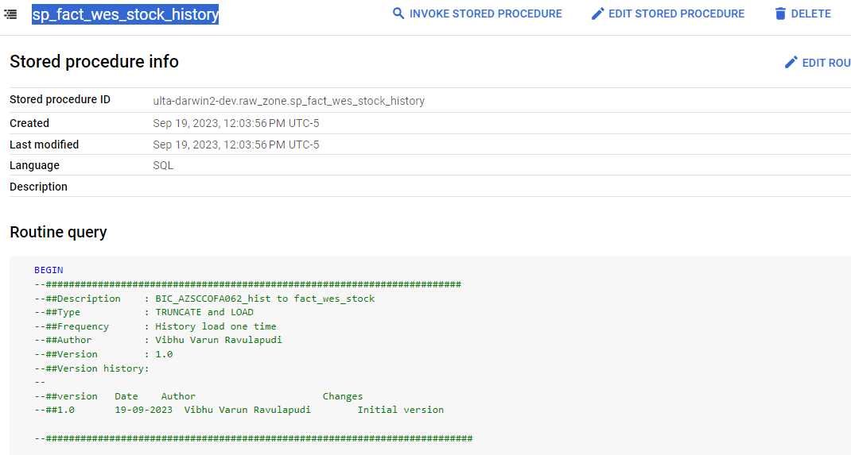

DDL Validation | Table Name : fact_wes_stock
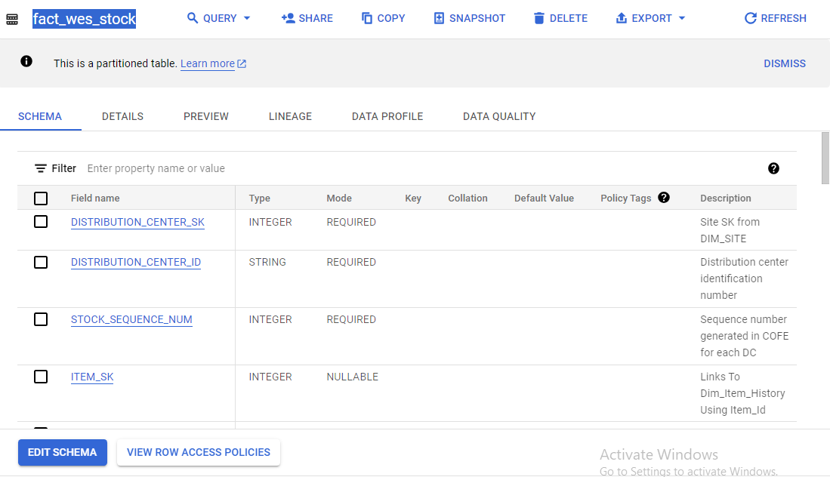

DAG Execution | DAG Name: dag_p_fact_wes_stock_history

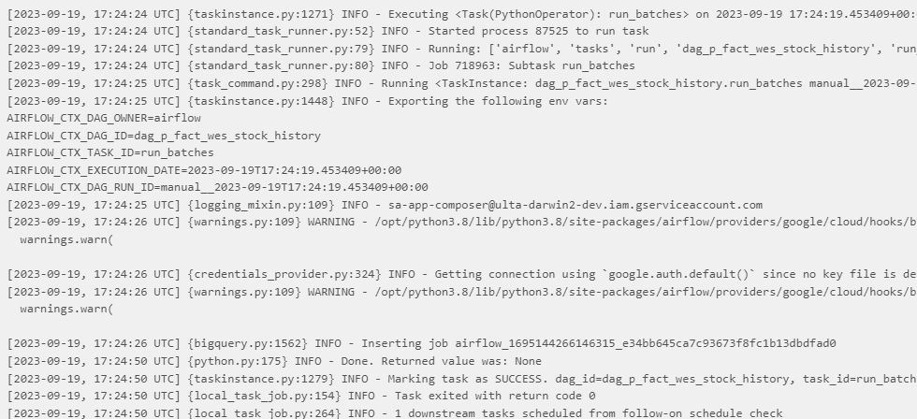

COUNT VALIDATION
Query Used: | select 'RAW', count(*) from ( SELECT ifnull(nullif(lpad(raw.ZDC_ID,4,'0'),''),'Not Applicable') as DISTRIBUTION_CENTER_ID, -- Not Nullable -- PK ifnull(cast(ZIDX as int64),-1) as STOCK_SEQUENCE_NUM, -- Not Nullable -- PK if(ltrim(ZSKU,'0') = '' OR nullif(ZSKU,'') is null OR ZSKU is null, 'Not Applicable',ZSKU) as ITEM_ID, -- Not Nullable -- PK if(ltrim(ZSTATUS,'0') = '' OR nullif(ZSTATUS,'') is null OR ZSTATUS is null, 'Not Applicable',ZSTATUS) as STOCK_STATUS, -- Not Nullable -- PK FROM ( select * from raw_zone.BIC_AZSCCOFA062_hist WHERE ifnull(safe.PARSE_DATE('%Y%m%d',if(nullif(ltrim(ZUPDTIME,'0'),'') IS NULL or ZUPDTIME is null,'00010101',ZUPDTIME)),'1111-11-11') >= DATE_SUB(DATE_TRUNC(CURRENT_DATE(), YEAR), INTERVAL 7 YEAR) --QUALIFY ROW_NUMBER() OVER --(PARTITION BY --ifnull(nullif(lpad(raw.ZDC_ID,4,'0'),''),'Not Applicable'), --ifnull(cast(ZIDX as int64),-1), --if(ltrim(ZSKU,'0') = '' OR nullif(ZSKU,'') is null OR ZSKU is null, 'Not Applicable',ZSKU), --if(ltrim(ZSTATUS,'0') = '' OR nullif(ZSTATUS,'') is null OR ZSTATUS is null, 'Not Applicable',ZSTATUS) --ORDER BY INGEST_DATE DESC) = 1 ) raw ) union all select 'FACT', count(*) from ( select DISTRIBUTION_CENTER_ID , STOCK_SEQUENCE_NUM , ITEM_ID , STOCK_STATUS from ulta-darwin2-dev.p_supplychain.fact_wes_stock where SOURCE_CREATED_DATE is not null and batch_id = -1)
OUTPUT : |  |  | There is count difference as the bau flow replaced the history record as per SCD1.

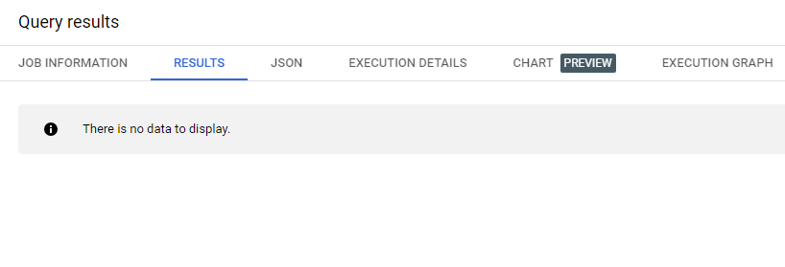
Duplicate Check
Query Used: | select DISTRIBUTION_CENTER_ID , STOCK_SEQUENCE_NUM , ITEM_ID , STOCK_STATUS , count(*) FROM ulta-darwin2-dev.p_supplychain.fact_wes_stock where SOURCE_CREATED_DATE is not null group by 1,2,3,4 having count(*)>1
OUTPUT :

DATA Validation | Between Source - BIC_AZSCCOFA062_hist & Target -fact_wes_stock

 | Source - Target

Query Used: | select DISTRIBUTION_CENTER_SK, DISTRIBUTION_CENTER_ID, STOCK_SEQUENCE_NUM, ITEM_SK, ITEM_ID, STOCK_STATUS, PARENT_NAME, PARENT_TYPE, STOCK_QTY, ORIGINAL_QTY, PICK_QTY, ALLOCATION_QTY, LAST_PICK_DATE_SK, LAST_PICK_TIME_SK, LAST_PICK_DATETIME, FLAGS, LOCK_CODE, ADVANCED_SHIPPING_NOTICE, PURCHASE_ORDER, MERCHANDISE_GROUP, MERCHANDISE_TYPE, CASE_WEIGHT, CASE_HEIGHT, CASE_WIDTH, CASE_LENGTH, EXPIRATION_DATE_SK, EXPIRATION_TIME_SK, EXPIRATION_DATETIME, UPDATED_DATE_SK, UPDATED_TIME_SK, UPDATED_DATETIME, SHA256(concat( IFNULL(CAST(DISTRIBUTION_CENTER_SK AS STRING),'~|*'), IFNULL(CAST(ITEM_SK AS STRING),'~|*'), IFNULL(CAST(PARENT_NAME AS STRING),'~|*'), IFNULL(CAST(PARENT_TYPE AS STRING),'~|*'), IFNULL(CAST(STOCK_QTY AS STRING),'~|*'), IFNULL(CAST(ORIGINAL_QTY AS STRING),'~|*'), IFNULL(CAST(PICK_QTY AS STRING),'~|*'), IFNULL(CAST(ALLOCATION_QTY AS STRING),'~|*'), IFNULL(CAST(LAST_PICK_DATE_SK AS STRING),'~|*'), IFNULL(CAST(LAST_PICK_TIME_SK AS STRING),'~|*'), IFNULL(CAST(LAST_PICK_DATETIME AS STRING),'~|*'), IFNULL(CAST(FLAGS AS STRING),'~|*'), IFNULL(CAST(LOCK_CODE AS STRING),'~|*'), IFNULL(CAST(ADVANCED_SHIPPING_NOTICE AS STRING),'~|*'), IFNULL(CAST(PURCHASE_ORDER AS STRING),'~|*'), IFNULL(CAST(MERCHANDISE_GROUP AS STRING),'~|*'), IFNULL(CAST(MERCHANDISE_TYPE AS STRING),'~|*'), IFNULL(CAST(CASE_WEIGHT AS STRING),'~|*'), IFNULL(CAST(CASE_HEIGHT AS STRING),'~|*'), IFNULL(CAST(CASE_WIDTH AS STRING),'~|*'), IFNULL(CAST(CASE_LENGTH AS STRING),'~|*'), IFNULL(CAST(EXPIRATION_DATE_SK AS STRING),'~|*'), IFNULL(CAST(EXPIRATION_TIME_SK AS STRING),'~|*'), IFNULL(CAST(EXPIRATION_DATETIME AS STRING),'~|*'), IFNULL(CAST(UPDATED_DATE_SK AS STRING),'~|*'), IFNULL(CAST(UPDATED_TIME_SK AS STRING),'~|*'), IFNULL(CAST(UPDATED_DATETIME AS STRING),'~|*') )) AS RECORD_TYPE1_HASHVALUE, --BATCH_ID, SOURCE_SYSTEM_NAME, SOURCE_CREATED_DATE, SOURCE_UPDATED_DATE, SOURCE_CREATED_BY, SOURCE_UPDATED_BY, --PZ_CREATED_DATE, --PZ_UPD
 |  | The one record of hist which was replaced by bau flow is the below record. The below is the expected output
OUTPUT :

 | Target - Source

Query Used: | select DISTRIBUTION_CENTER_SK, DISTRIBUTION_CENTER_ID, STOCK_SEQUENCE_NUM, ITEM_SK, ITEM_ID, STOCK_STATUS, PARENT_NAME, PARENT_TYPE, STOCK_QTY, ORIGINAL_QTY, PICK_QTY, ALLOCATION_QTY, LAST_PICK_DATE_SK, LAST_PICK_TIME_SK, LAST_PICK_DATETIME, FLAGS, LOCK_CODE, ADVANCED_SHIPPING_NOTICE, PURCHASE_ORDER, MERCHANDISE_GROUP, MERCHANDISE_TYPE, CASE_WEIGHT, CASE_HEIGHT, CASE_WIDTH, CASE_LENGTH, EXPIRATION_DATE_SK, EXPIRATION_TIME_SK, EXPIRATION_DATETIME, UPDATED_DATE_SK, UPDATED_TIME_SK, UPDATED_DATETIME, RECORD_TYPE1_HASHVALUE, -- BATCH_ID, SOURCE_SYSTEM_NAME, SOURCE_CREATED_DATE, SOURCE_UPDATED_DATE, SOURCE_CREATED_BY, SOURCE_UPDATED_BY, --PZ_CREATED_DATE, --PZ_UPDATED_DATE, --PZ_CREATED_BY, --PZ_UPDATED_BY FROM ulta-darwin2-dev.p_supplychain.fact_wes_stock where SOURCE_CREATED_DATE is not null and batch_id = -1 except distinct select DISTRIBUTION_CENTER_SK, DISTRIBUTION_CENTER_ID, STOCK_SEQUENCE_NUM, ITEM_SK, ITEM_ID, STOCK_STATUS, PARENT_NAME, PARENT_TYPE, STOCK_QTY, ORIGINAL_QTY, PICK_QTY, ALLOCATION_QTY, LAST_PICK_DATE_SK, LAST_PICK_TIME_SK, LAST_PICK_DATETIME, FLAGS, LOCK_CODE, ADVANCED_SHIPPING_NOTICE, PURCHASE_ORDER, MERCHANDISE_GROUP, MERCHANDISE_TYPE, CASE_WEIGHT, CASE_HEIGHT, CASE_WIDTH, CASE_LENGTH, EXPIRATION_DATE_SK, EXPIRATION_TIME_SK, EXPIRATION_DATETIME, UPDATED_DATE_SK, UPDATED_TIME_SK, UPDATED_DATETIME, SHA256(concat( IFNULL(CAST(DISTRIBUTION_CENTER_SK AS STRING),'~|*'), IFNULL(CAST(ITEM_SK AS STRING),'~|*'), IFNULL(CAST(PARENT_NAME AS STRING),'~|*'), IFNULL(CAST(PARENT_TYPE AS STRING),'~|*'), IFNULL(CAST(STOCK_QTY AS STRING),'~|*'), IFNULL(CAST(ORIGINAL_QTY AS STRING),'~|*'), IFNULL(CAST(PICK_QTY AS STRING),'~|*'), IFNULL(CAST(ALLOCATION_QTY AS STRING),'~|*'), IFNULL(CAST(LAST_PICK_DATE_SK AS STRING),'~|*'), IFNULL(CAST(LAST_PICK_TIME_SK AS STRING),'~|*'), IFNULL(CAST(LAST_PICK_DATETIME AS STRING),'~|*'), IFNULL(CAST(FLAGS AS STRING),'~|*'), IFNU

OUTPUT :

Lookup Validation: | Lookups

Query Used: | select * from ( select * from raw_zone.BIC_AZSCCOFA062_hist WHERE ifnull(safe.PARSE_DATE('%Y%m%d',if(nullif(ltrim(ZUPDTIME,'0'),'') IS NULL or ZUPDTIME is null,'00010101',ZUPDTIME)),'1111-11-11') >= DATE_SUB(DATE_TRUNC(CURRENT_DATE(), YEAR), INTERVAL 7 YEAR) --QUALIFY ROW_NUMBER() OVER --(PARTITION BY --ifnull(nullif(lpad(raw.ZDC_ID,4,'0'),''),'Not Applicable'), --ifnull(cast(ZIDX as int64),-1), --if(ltrim(ZSKU,'0') = '' OR nullif(ZSKU,'') is null OR ZSKU is null, 'Not Applicable',ZSKU), --if(ltrim(ZSTATUS,'0') = '' OR nullif(ZSTATUS,'') is null OR ZSTATUS is null, 'Not Applicable',ZSTATUS) --ORDER BY INGEST_DATE DESC) = 1 ) raw left join p_masterdata.dim_site DIM_SITE on ifnull(nullif(lpad(raw.ZDC_ID,4,'0'),''),'Not Applicable') = DIM_SITE.SITE_ID and if(nullif(ltrim(ZUPDTIME,'0'),'') IS NULL or ZUPDTIME is null,'0001-01-01T00:00:00',datetime(parse_date('%Y%m%d',ZUPDTIME))) between DIM_SITE.RECORD_EFF_START_DTTM and DIM_SITE.RECORD_EFF_END_DTTM left join p_masterdata.dim_item_history dim_item_history on if(ltrim(ZSKU,'0') = '' OR nullif(ZSKU,'') is null OR ZSKU is null, 'Not Applicable',ZSKU) = dim_item_history.ITEM_ID and if(nullif(ltrim(ZUPDTIME,'0'),'') IS NULL or ZUPDTIME is null,'0001-01-01T00:00:00',datetime(parse_date('%Y%m%d',ZUPDTIME))) between dim_item_history.RECORD_EFF_START_DTTM and dim_item_history.RECORD_EFF_END_DTTM left join p_masterdata.dim_calendar DIM_CALENDAR1 on ifnull(safe.PARSE_DATE('%Y%m%d',if(nullif(ltrim(ZLASPITIME,'0'),'') IS NULL or ZLASPITIME is null,'00010101',ZLASPITIME)),'1111-11-11') = DIM_CALENDAR1.DAY_DATE LEFT JOIN p_masterdata.dim_time DIM_TIME1 ON format_time('%I:%M:%S %p',TIME(if(nullif(ltrim(ZLASPITIME,'0'),'') IS NULL or ZLASPITIME is null,'0001-01-01T00:00:00',datetime(parse_date('%Y%m%d',ZLASPITIME))))) = DIM_TIME1.TIME_12 left join p_masterdata.dim_calendar DIM_CALENDAR2 on ifnull(safe.PARSE_DATE |  |  | select * from raw_zone.BIC_AZSCCOFA062_hist | Count matching b/w lookups and source

OUTPUT :

BAU
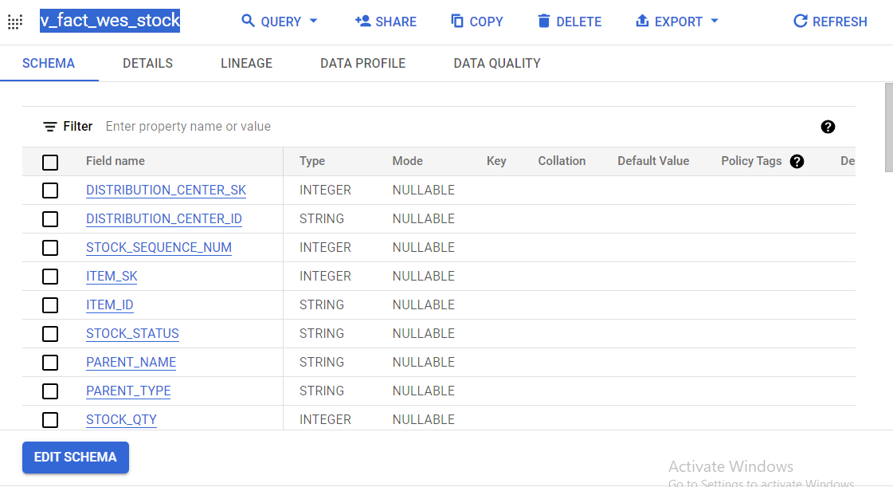
Unit testing for Process Zone Implementation fact_wes_stock in Dev BAU

Source Tables | Load Type | Schedule
raw_wes_stock | SCD1 | Hourly

The raw zone raw_wes_stock table which is flowing to the processed zone fact_wes_stock
The stored procedure is under raw_zone with the name sp_fact_wes_stock
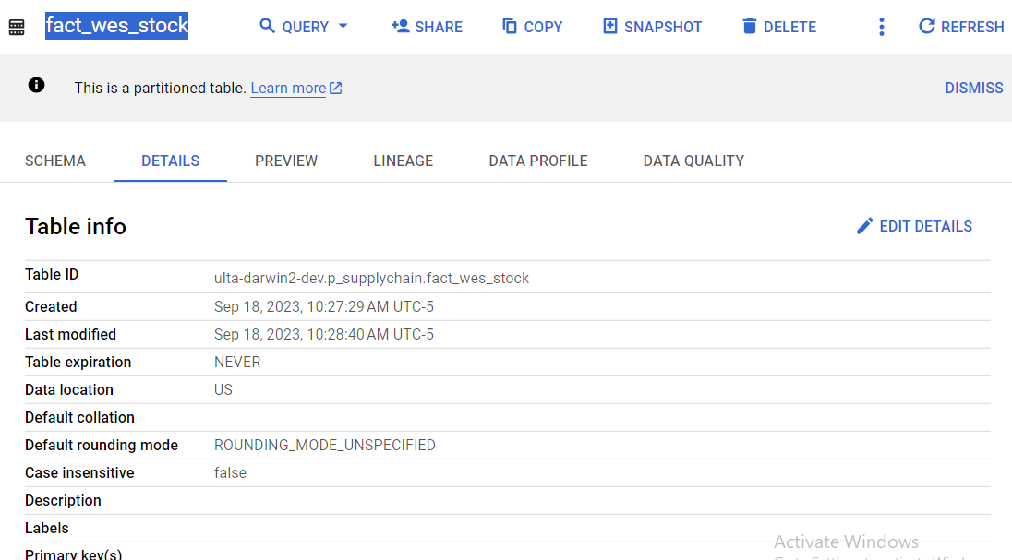

DDL Validation | Table Name : fact_wes_stock
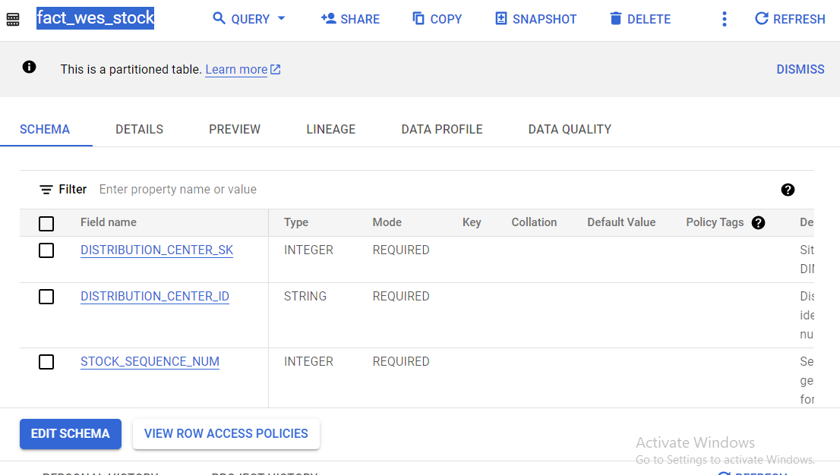

DAG Execution | DAG Name: dag_p_fact_wes_stock_hourly


Aud_process_dependencies check :
Query Used: | select * from `raw_zone.aud_process_dependencies_config` where table_name = 'fact_wes_stock'
OUTPUT :

COUNT VALIDATION
Query Used: | select 'RAW', count(*) from ( select DC_IDENTIFIER, IDX, SKU, STATUS FROM ( select * from raw_zone.raw_wes_stock WHERE --SOURCE_FILEDATE = A_SOURCE_FILEDATE AND BATCH_ID = A_BATCH_ID AND DQ_VALIDATION_FLAG in ('Yes','Warn') AND UPDATETIME >= DATE_SUB(DATE_TRUNC(CURRENT_DATE(), YEAR), INTERVAL 7 YEAR) ) raw ) union all select 'FACT', count(*) from ( select DISTRIBUTION_CENTER_ID , STOCK_SEQUENCE_NUM , ITEM_ID , STOCK_STATUS from ulta-darwin2-dev.p_supplychain.fact_wes_stock where SOURCE_CREATED_DATE is not null and batch_id <> -1)
OUTPUT :

Duplicate Check
Query Used: | select DISTRIBUTION_CENTER_ID , STOCK_SEQUENCE_NUM , ITEM_ID , STOCK_STATUS , count(*) FROM ulta-darwin2-dev.p_supplychain.fact_wes_stock where SOURCE_CREATED_DATE is not null group by 1,2,3,4 having count(*)>1
OUTPUT :

SCD1
 | Selecting a unique record from target table , Here DISTRIBUTION_CENTER_ID = '0833' and STOCK_SEQUENCE_NUM = 224416 and PARENT_NAME = 'T202303300211'
Query Used: | SELECT * FROM `ulta-darwin2-dev.p_supplychain.fact_wes_stock` WHERE SOURCE_CREATED_DATE is not null and DISTRIBUTION_CENTER_ID = '0833' and STOCK_SEQUENCE_NUM = 224416 and PARENT_NAME = 'T202303300211'

OUTPUT :

 | Now, updating the PARENT_NAME = 'SCD1' and RECORD_TYPE1_HASHVALUE = sha256('SCD1')

Query Used: | update `ulta-darwin2-dev.p_supplychain.fact_wes_stock` set PARENT_NAME = 'SCD1' , RECORD_TYPE1_HASHVALUE = sha256('SCD1') where DISTRIBUTION_CENTER_ID = '0833' and STOCK_SEQUENCE_NUM = 224416 and PARENT_NAME = 'T202303300211' and SOURCE_CREATED_DATE is not null RESULT: SELECT * FROM `ulta-darwin2-dev.p_supplychain.fact_wes_stock` WHERE SOURCE_CREATED_DATE is not null and DISTRIBUTION_CENTER_ID = '0833' and STOCK_SEQUENCE_NUM = 224416 and PARENT_NAME = 'SCD1'

OUTPUT :

 | Now, After clearing the audit process tracer entries as below and running the DAG again. As per SCD1 logic the updated value should change to it's older value coming from the source
Query Used: | delete from `raw_zone.audit_process_tracker` where process = 'fact_wes_stock'
 | After running DAG |  | select * from `raw_zone.audit_process_tracker` where process = 'fact_wes_stock'



 |  |  | Audit Entries updated.

 | Now querying on the target table with original data filter, we get.

Query Used: | SELECT * FROM `ulta-darwin2-dev.p_supplychain.fact_wes_stock` WHERE SOURCE_CREATED_DATE is not null and DISTRIBUTION_CENTER_ID = '0833' and STOCK_SEQUENCE_NUM = 224416 and PARENT_NAME = 'T202303300211'

OUTPUT :

 | So, as per SCD1 logic the updated values are considered as older values and are updated by the orginal source values as seen above and we can conclude SCD1 is working properly.

DATA Validation | Between Source - raw_wes_stock & Target - fact_wes_stock

 | Source - Target

Query Used: | SELECT DISTRIBUTION_CENTER_SK, DISTRIBUTION_CENTER_ID, STOCK_SEQUENCE_NUM, ITEM_SK, ITEM_ID, STOCK_STATUS, PARENT_NAME, PARENT_TYPE, STOCK_QTY, ORIGINAL_QTY, PICK_QTY, ALLOCATION_QTY, LAST_PICK_DATE_SK, LAST_PICK_TIME_SK, LAST_PICK_DATETIME, FLAGS, LOCK_CODE, ADVANCED_SHIPPING_NOTICE, PURCHASE_ORDER, MERCHANDISE_GROUP, MERCHANDISE_TYPE, CASE_WEIGHT, CASE_HEIGHT, CASE_WIDTH, CASE_LENGTH, EXPIRATION_DATE_SK, EXPIRATION_TIME_SK, EXPIRATION_DATETIME, UPDATED_DATE_SK, UPDATED_TIME_SK, UPDATED_DATETIME, SHA256(concat( IFNULL(CAST(DISTRIBUTION_CENTER_SK AS STRING),'~|*'), IFNULL(CAST(ITEM_SK AS STRING),'~|*'), IFNULL(CAST(PARENT_NAME AS STRING),'~|*'), IFNULL(CAST(PARENT_TYPE AS STRING),'~|*'), IFNULL(CAST(STOCK_QTY AS STRING),'~|*'), IFNULL(CAST(ORIGINAL_QTY AS STRING),'~|*'), IFNULL(CAST(PICK_QTY AS STRING),'~|*'), IFNULL(CAST(ALLOCATION_QTY AS STRING),'~|*'), IFNULL(CAST(LAST_PICK_DATE_SK AS STRING),'~|*'), IFNULL(CAST(LAST_PICK_TIME_SK AS STRING),'~|*'), IFNULL(CAST(LAST_PICK_DATETIME AS STRING),'~|*'), IFNULL(CAST(FLAGS AS STRING),'~|*'), IFNULL(CAST(LOCK_CODE AS STRING),'~|*'), IFNULL(CAST(ADVANCED_SHIPPING_NOTICE AS STRING),'~|*'), IFNULL(CAST(PURCHASE_ORDER AS STRING),'~|*'), IFNULL(CAST(MERCHANDISE_GROUP AS STRING),'~|*'), IFNULL(CAST(MERCHANDISE_TYPE AS STRING),'~|*'), IFNULL(CAST(CASE_WEIGHT AS STRING),'~|*'), IFNULL(CAST(CASE_HEIGHT AS STRING),'~|*'), IFNULL(CAST(CASE_WIDTH AS STRING),'~|*'), IFNULL(CAST(CASE_LENGTH AS STRING),'~|*'), IFNULL(CAST(EXPIRATION_DATE_SK AS STRING),'~|*'), IFNULL(CAST(EXPIRATION_TIME_SK AS STRING),'~|*'), IFNULL(CAST(EXPIRATION_DATETIME AS STRING),'~|*'), IFNULL(CAST(UPDATED_DATE_SK AS STRING),'~|*'), IFNULL(CAST(UPDATED_TIME_SK AS STRING),'~|*'), IFNULL(CAST(UPDATED_DATETIME AS STRING),'~|*') )) AS RECORD_TYPE1_HASHVALUE, -- BATCH_ID, SOURCE_SYSTEM_NAME, SOURCE_CREATED_DATE, SOURCE_UPDATED_DATE, SOURCE_CREATED_BY, SOURCE_UPDATED_BY, --PZ_CREATED_DATE, --PZ_U

OUTPUT : | The below record is history record which got updated by BAU flow, the below is the expected result.

 | Target - Source

Query Used: | select DISTRIBUTION_CENTER_SK, DISTRIBUTION_CENTER_ID, STOCK_SEQUENCE_NUM, ITEM_SK, ITEM_ID, STOCK_STATUS, PARENT_NAME, PARENT_TYPE, STOCK_QTY, ORIGINAL_QTY, PICK_QTY, ALLOCATION_QTY, LAST_PICK_DATE_SK, LAST_PICK_TIME_SK, LAST_PICK_DATETIME, FLAGS, LOCK_CODE, ADVANCED_SHIPPING_NOTICE, PURCHASE_ORDER, MERCHANDISE_GROUP, MERCHANDISE_TYPE, CASE_WEIGHT, CASE_HEIGHT, CASE_WIDTH, CASE_LENGTH, EXPIRATION_DATE_SK, EXPIRATION_TIME_SK, EXPIRATION_DATETIME, UPDATED_DATE_SK, UPDATED_TIME_SK, UPDATED_DATETIME, RECORD_TYPE1_HASHVALUE, -- BATCH_ID, SOURCE_SYSTEM_NAME, SOURCE_CREATED_DATE, SOURCE_UPDATED_DATE, SOURCE_CREATED_BY, SOURCE_UPDATED_BY, --PZ_CREATED_DATE, --PZ_UPDATED_DATE, --PZ_CREATED_BY, --PZ_UPDATED_BY FROM ulta-darwin2-dev.p_supplychain.fact_wes_stock where SOURCE_CREATED_DATE is not null and batch_id <> -1 except distinct SELECT DISTRIBUTION_CENTER_SK, DISTRIBUTION_CENTER_ID, STOCK_SEQUENCE_NUM, ITEM_SK, ITEM_ID, STOCK_STATUS, PARENT_NAME, PARENT_TYPE, STOCK_QTY, ORIGINAL_QTY, PICK_QTY, ALLOCATION_QTY, LAST_PICK_DATE_SK, LAST_PICK_TIME_SK, LAST_PICK_DATETIME, FLAGS, LOCK_CODE, ADVANCED_SHIPPING_NOTICE, PURCHASE_ORDER, MERCHANDISE_GROUP, MERCHANDISE_TYPE, CASE_WEIGHT, CASE_HEIGHT, CASE_WIDTH, CASE_LENGTH, EXPIRATION_DATE_SK, EXPIRATION_TIME_SK, EXPIRATION_DATETIME, UPDATED_DATE_SK, UPDATED_TIME_SK, UPDATED_DATETIME, SHA256(concat( IFNULL(CAST(DISTRIBUTION_CENTER_SK AS STRING),'~|*'), IFNULL(CAST(ITEM_SK AS STRING),'~|*'), IFNULL(CAST(PARENT_NAME AS STRING),'~|*'), IFNULL(CAST(PARENT_TYPE AS STRING),'~|*'), IFNULL(CAST(STOCK_QTY AS STRING),'~|*'), IFNULL(CAST(ORIGINAL_QTY AS STRING),'~|*'), IFNULL(CAST(PICK_QTY AS STRING),'~|*'), IFNULL(CAST(ALLOCATION_QTY AS STRING),'~|*'), IFNULL(CAST(LAST_PICK_DATE_SK AS STRING),'~|*'), IFNULL(CAST(LAST_PICK_TIME_SK AS STRING),'~|*'), IFNULL(CAST(LAST_PICK_DATETIME AS STRING),'~|*'), IFNULL(CAST(FLAGS AS STRING),'~|*'), IF

OUTPUT :

VIEW Validation | v_fact_wes_stock

